Instructions
Regional Development Impact Fees
Fee Calculation Worksheet Instructions
Last Updated April 2, 2009

 | Step 1: Identify the Zone and Agency
 | Select the appropriate Benefit Zone from the drop-down menu for the area that the development is located in.
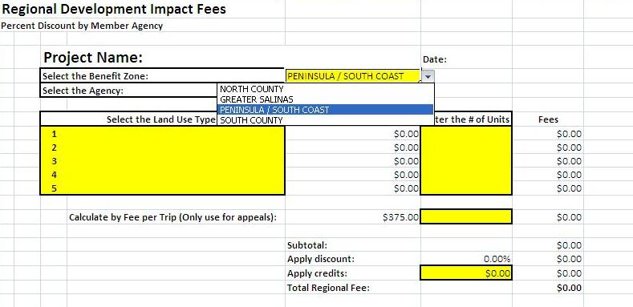

 |  | Continued

 | Step 1 continued: Identify the Zone and Agency
 | Select the appropriate City or County from the drop-down menu for the jurisdiction approving the development.
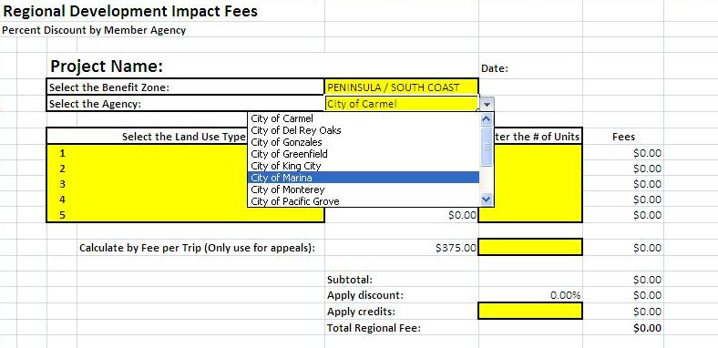

 |  | Continued

 | Step 2: Identify the Land Use Type
 | Select the most accurate land use type for the development from the drop-down menu.
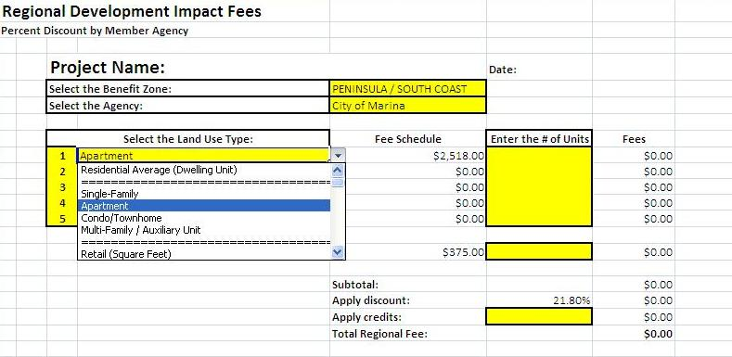

 |  | Continued

 | Step 3: Calculate the Base Regional Fee
 | Enter the number of units for each land use type (i.e. 100 apartment units). Residential developments are counted by dwelling unit, Non-Residential developments are counted by square feet. At this point, the worksheet will calculate the base regional fee (Subtotal).
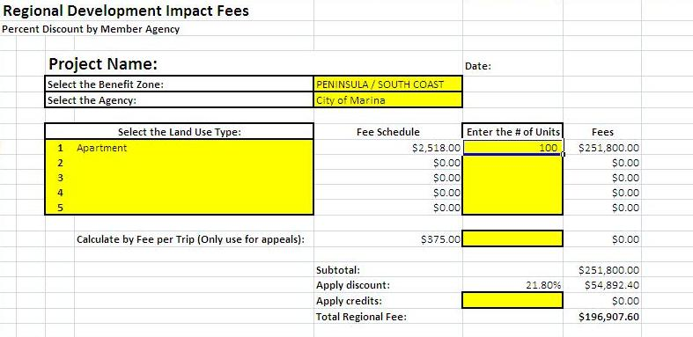

 |  | Continued

 | Repeat Steps 2 and 3:
 | Repeat Steps 2 and 3 for each additional land use type contained in the development. The base regional fee (Subtotal) will adjust for each land use type added.
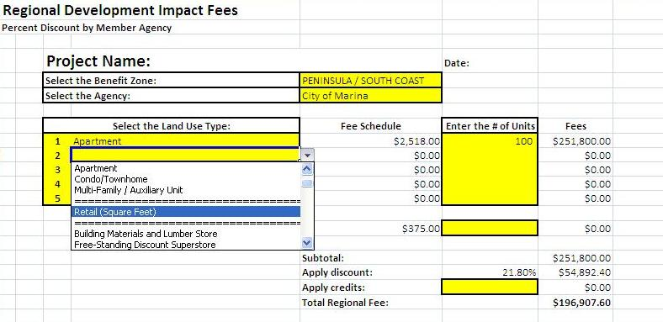

 |  | Continued

 | Step 4: Adjust Base Fee for Discounts
 | If the jurisdiction collects a local impact fee that funds transportation improvement projects that are also funded by the regional fee program, a discount is applied to the base regional fee. This step is done automatically by the worksheet.
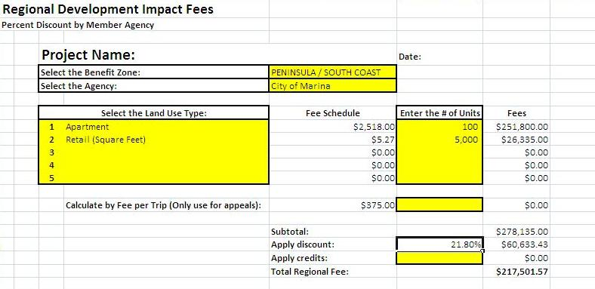

 |  | Continued

 | Step 5: Adjust the Base Fee for Credits
 | If the Project Developer chooses to construct a portion of a transportation improvement project funded by the regional fee or dedicates right-of-way to one of these improvements, they can be eligible for a credit against the regional fee. The amount of the credit will be determined by the local jurisdiction and approved by the Transportation Agency. A credit for prior use may also be available if the development is converting an existing facility to a more intensive use. Consult with the Transportation Agency before granting a credit.
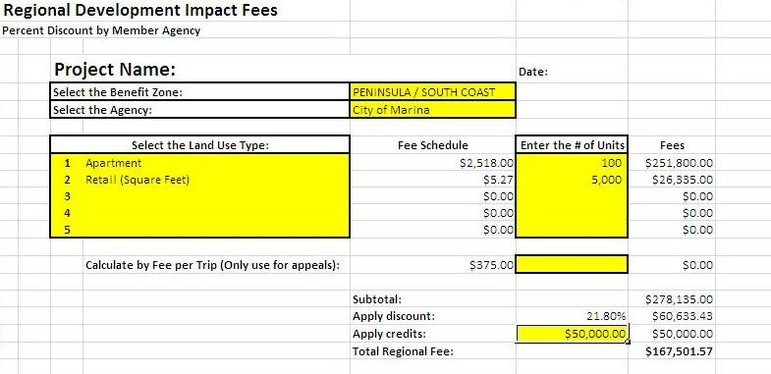

 |  | Continued

 | Step 6: Collect the Fee
 | Collect the total regional fee shown in the final cell of the worksheet.
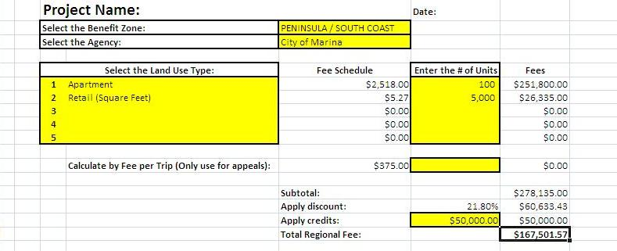

 |  | Continued

 | Appeal Process (Fee per Trip)
 | If the Project Developer is appealing the total regional fee amount and a traffic study has been completed per the Implementation Guidelines, complete Step 1, enter the number of daily weekday vehicle trips as shown, and complete Steps 4, 5, and 6 as necessary.
